Top_Three_Egyptian_Defenders_Bl
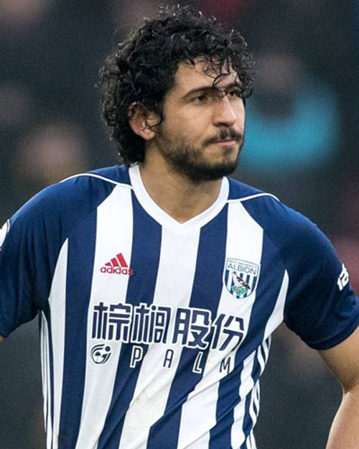

 |  |  | Ahmed Hegazi
Top 3 Egyptian Players by Blocks and Tackles in Europe Top 5 Leagues

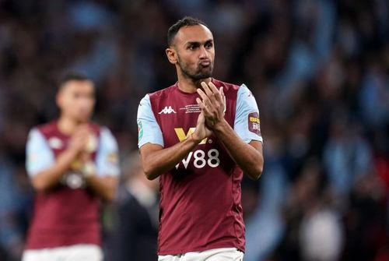

Player | Total Blocks | Total Tackles | Ahmed Elmohamady
Ahmed Hegazi | 57 | 58
Ahmed Elmohamady | 17 | 36
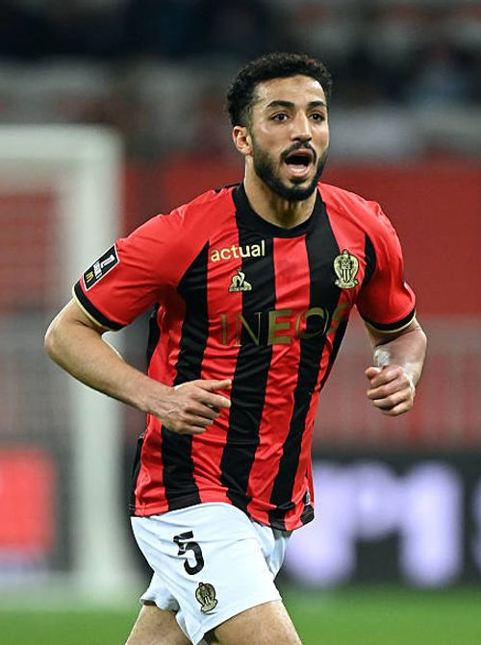
Mohamed Abdelmoneim | 11 | 21

 |  |  | Mohamed Abdelmoneim

